Sheet2
Hashed_Email | Conv_Date | Conv_ID | Conv_Type | Customer_Type | Revenue | Revenue_excl_VAT | Shipping_Amount | Revenue_excl_VAT_and_Shipping
64402cbb3d29cdf7ab3564fb42e7af6c | 2021-07-02 | 190598393 | Returned | Returning | 60.81 | 51.1 | 5.95 | 46.1
693718d78842a0b466d628f7b9696219 | 2021-07-06 | 190884504 | Returned | Returning | 92.71 | 77.91 | 5.95 | 72.91
1ce9dd0e634a4a46f81f74032dda72a3 | 2021-07-10 | 191223450 | Returned | Returning | 81.19 | 68.23 | 5.95 | 63.23
3e280e88022a77bbec51670f682602f4 | 2021-07-15 | 191571586 | Returned | Returning | 124.32 | 104.47 | 0 | 104.47
3162bbc0535f12edc6c09100d395d521 | 2021-07-16 | 191644153 | Returned | Returning | 73.12 | 61.45 | 5.85 | 56.53
617e3d8dfea197d82566826d9ab6ddc2 | 2021-07-20 | 191877604 | Returned | Returning | 278.82 | 234.3 | 0 | 234.3
20face8a4346d2a2e5f6cc18b184c330 | 2021-07-21 | 191949821 | Returned | Returning | 60.04 | 50.45 | 5.85 | 45.54
f7abde45ccdfc35146aa272f0a9bb36b | 2021-07-23 | 192095443 | Returned | Returning | 25.52 | 21.45 | 5.85 | 16.53
 |  |  |  |  | 8883.24 | 7464.96 | 374.32 | 7156.7

 |  |  |  |  | 796.53 | 669.36 | 35.4 | 639.61

 |  | Inc. VAT | ex VAT
 | Total: | € 8,883.24 | € 7,464.96
 | excluded orders: | € 796.53 | € 669.36
 | shipping: | € 374.32 | € 314.55
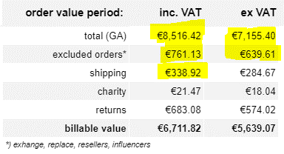

 | Total diff: | € 366.82 | € 309.56
 | excluded diff: | € 35.40 | € 29.75
 | shipping diff: | € 35.40 | € 29.88

